Sheet1
Item |  | Description | Case Pack | Qty
TEE-005-NC |  | Cotton Rock 100 % Polyester Long Sleeved Tee Shirt (White) Size Small | 72 | 3,960
TEE-001-NC |  | Cotton Rock 100 % Polyester Long Sleeved Tee Shirt (White) Size Medium | 72 | 7,344
TEE-003-NC |  | Cotton Rock 100 % Polyester Long Sleeved Tee Shirt (White) Size Large | 72 | 8,208
TEE-004-NC |  | Cotton Rock 100 % Polyester Long Sleeved Tee Shirt (White) Size X Large | 72 | 2,808
TEE-011-NC | 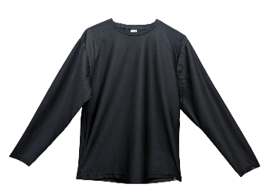 | Cotton Rock 100 % Polyester Long Sleeved Tee Shirt (Black) Size Small | 72 | 1,152
TEE-012-NC |  | Cotton Rock 100 % Polyester Long Sleeved Tee Shirt (Black) Size Medium | 72 | 1,641
TEE-007-NC |  | Cotton Rock 100 % Polyester Long Sleeved Tee Shirt (Black) Size Large | 72 | 1,800
TEE-010-NC |  | Cotton Rock 100 % Polyester Long Sleeved Tee Shirt (Black) Size X Large | 72 | 1,136
TEE-008-NC | 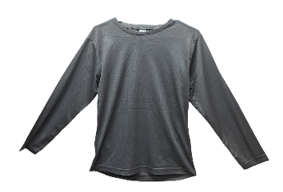 | Cotton Rock 100 % Polyester Long Sleeved Tee Shirt (Grey) Size Small | 72 | 3,528
TEE-002-NC |  | Cotton Rock 100 % Polyester Long Sleeved Tee Shirt (Grey) Size Medium | 72 | 5,976
TEE-006-NC |  | Cotton Rock 100 % Polyester Long Sleeved Tee Shirt (Grey) Size Large | 72 | 6,480
TEE-009-NC |  | Cotton Rock 100 % Polyester Long Sleeved Tee Shirt (Grey) Size X Large | 72 | 2,808
 |  |  | Total Qty | 46,841

